TestSummary
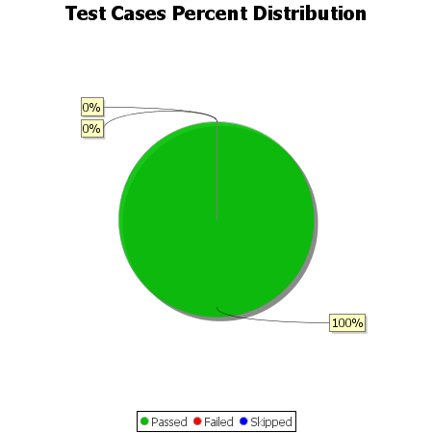
Total Test Cases | 14
Test Cases Passed | 14
Test Cases Failed | 0
Test Cases Skipped | 0

